Registration
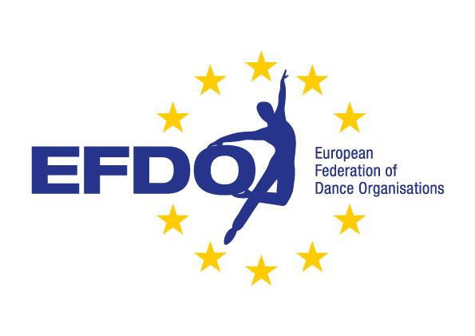
Registration IT 2025 |  |  |  |  | Date
 |  |  |  |  |  |  |  | A = Group March
Name club: |  |  |  |  |  |  |  | B = Solo Polka
Address: |  |  |  |  |  |  |  | C = Pairs Polka
Postal code: |  |  |  |  |  |  |  | D = Group Polka
City: |  |  |  |  |  |  |  | E = Garde Small Group
Country: |  |  |  |  |  |  |  | F = Group Polka with lift
Contact person: |  |  |  |  |  |  |  | G = Show Solo
Telephone number: |  |  |  |  |  |  |  | H = Show Duo
E-mail address: |  |  |  |  |  |  |  | I = Show Character
 |  |  |  |  |  |  |  | J = Show Freestyle
Category | Discipline | Total competitors | Name / Theme music |  |  | Starting money |  | K = Show Modern
Mini/Junior Youth/Master | A-B-C-D-E-F-G-H-I-J-K-L-M |  |  |  |  |  |  | L = Show Small Group
 |  |  |  |  |  |  |  | M = Show with lift
 |  |  |  |  |  | € 35.00

Total number dances: |  | Total Competitors: |  | Supervisors: |  | € 35.00
Disciplines:
A = Group March |  | B = Solo Polka |  | C = Pairs Polka | D = Group Polka |  | €30,- / dance
E = Garde Small Group |  | F = Group Polka with lift |  | G = Show Solo | H = Show Duo
I = Show Charactor |  | J = Show Freestyle |  | K = Show Modern | Date:
L = Show Small Group |  | M = Show with lift |  |  | Name:

